Power Query for Big data
Module 9: Excel for Big Data Analysis | https://chatgpt.com/c/6a4906f5-6e98-83ee-8abb-8faea7cfa4ea

Excel can handle large datasets efficiently when combined with tools like Power Query, Data Model, Pivot Tables, and connections to external databases.
This module helps analysts work with millions of records without manually processing data.

1. Power Query for Big Data
Power Query is an ETL (Extract, Transform, Load) tool in Excel used to import, clean, and transform large datasets.

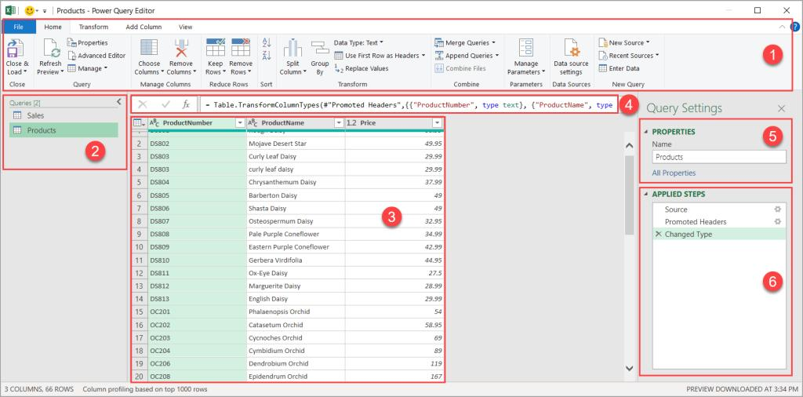

What is Power Query?
Power Query allows you to:

Import data from multiple sources
Clean and transform data
Remove duplicates
Merge tables
Append datasets
Automate repetitive tasks

Steps to Use Power Query
Step 1: Open Power Query

1. Open Excel.
2. Click Data tab.
3. Select Get Data.
4. Choose your data source.

Step 2: Import Data

Data → Get Data → From File → From Workbook/CSV

Step 3: Transform Data
You can:

Remove blank rows
Change data types
Filter records
Split columns
Merge tables
Group data

Step 4: Load Data
Click:

Home → Close & Load

The transformed data loads into Excel or the Data Model.

Handling Large Datasets Efficie
2. Handling Large Datasets Efficiently

Excel's normal worksheet supports approximately 1 million rows. For larger datasets, use the Data Model and Power Pivot.

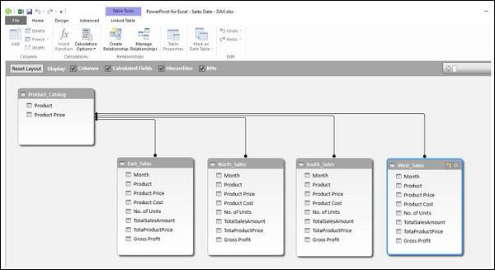
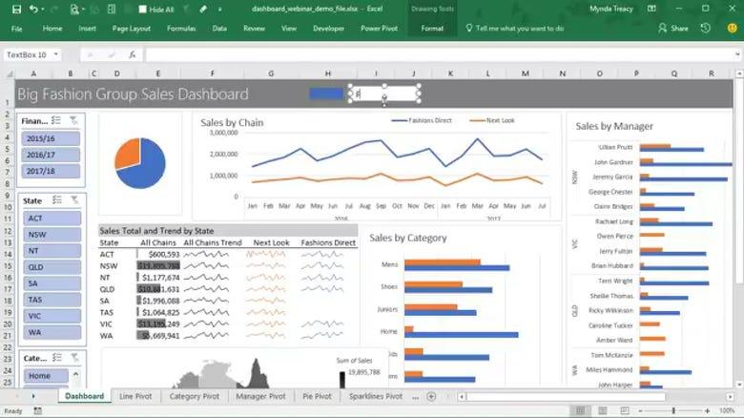

Best Practices
 | Sr. No. | Name | age | Salary
A. Convert Data into Tables | 1 | Amit | 38 | 80000
Select data: | 2 | Sumit | 36 | 55000
Ctrl + T | 3 | Pooja | 32 | 60000
 | 4 | Priya | 33 | 65000
Benefits:
Dynamic ranges
Better performance
Easy filtering

B. Use Data Model
Steps:
Data → Manage Data Model

Benefits:
Handles millions of records
Creates relationships
Enables advanced calculations

C. Remove Unnecessary Columns

Instead of importing everything:
Keep only required fields
Filter unnecessary records
Reduce memory usage

D. Disable Automatic Calculation
Formula → Calculation Options → Manual

This improves performance for large files.

Sheet5
 | Sales | Forecast(Sales) | Lower Confidence Bound(Sales) | Upper Confidence Bound(Sales)
 | 12000
 | 13500
 | 15000
 | 14500
 | 17000
 | 18000
 | 19500
 | 21000
 | 22000
 | 24000
 | 26000
 | 28000 | 28000 | 28000 | 28000
 |  | 28540.189732 | 27155.632697 | 29924.746768
 |  | 29946.2259 | 28518.720737 | 31373.731062
 |  | 31352.262067 | 29882.735599 | 32821.788535
Month | Sales | Forecast(Sales) | Lower Confidence Bound(Sales) | Upper Confidence Bound(Sales)
2026-01-24 | 12000
2026-02-24 | 13500
2026-03-24 | 15000
2026-04-24 | 14500
2026-05-24 | 17000
2026-06-24 | 18000
2026-07-24 | 19500
2026-08-24 | 21000
2026-09-24 | 22000
2026-10-24 | 24000
2026-11-24 | 26000
2026-12-24 | 28000 | 28000 | 28000.00 | 28000.00
2027-01-24 |  | 28540.189732 | 27155.63 | 29924.75
2027-02-24 |  | 29946.2259 | 28518.72 | 31373.73
2027-03-24 |  | 31352.262067 | 29882.74 | 32821.79

Techniques for Big Data
3. Advanced Data Analysis Techniques for Big Data

Excel offers advanced analytical capabilities using Pivot Tables, DAX, and forecasting.

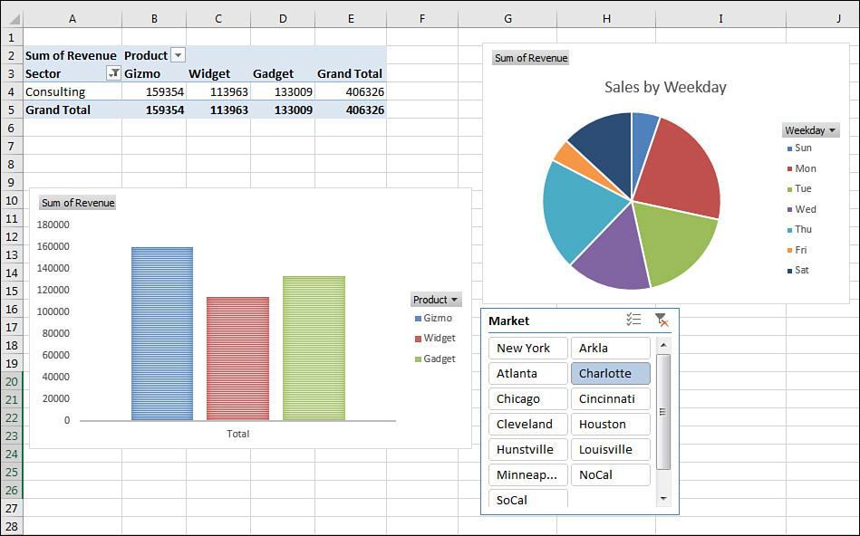
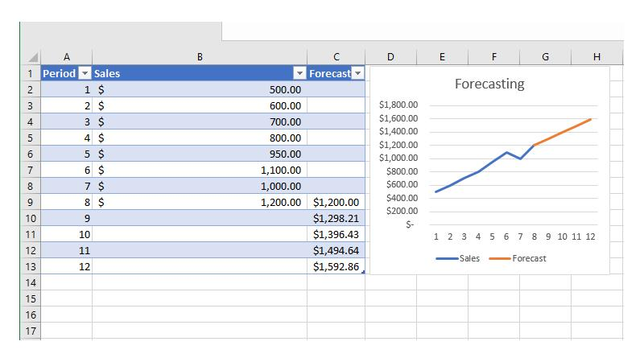

A. Pivot Tables
Steps:
1. Select dataset. | Example:
2. Click: | Region | Sales
Insert → Pivot Table | North | 500000
 | South | 350000
3. Drag fields into:
Rows
Columns
Values
Filters

B. Power Pivot
Power Pivot enables:

Relationships
KPIs
Measures
DAX formulas

Example DAX:

Total Sales = SUM(Sales[Amount])

C. Forecasting
Steps:
Data → Forecast Sheet

Excel automatically creates:
Trend lines
Forecast values
Confidence intervals

D. What-If Analysis
Navigate:
Data → What If Analysis

Tools:
Goal Seek
Scenario Manager
Data Tables

Data Visualization
4. Data Visualization with Big Data

Visualizing large datasets helps identify trends and business insights.

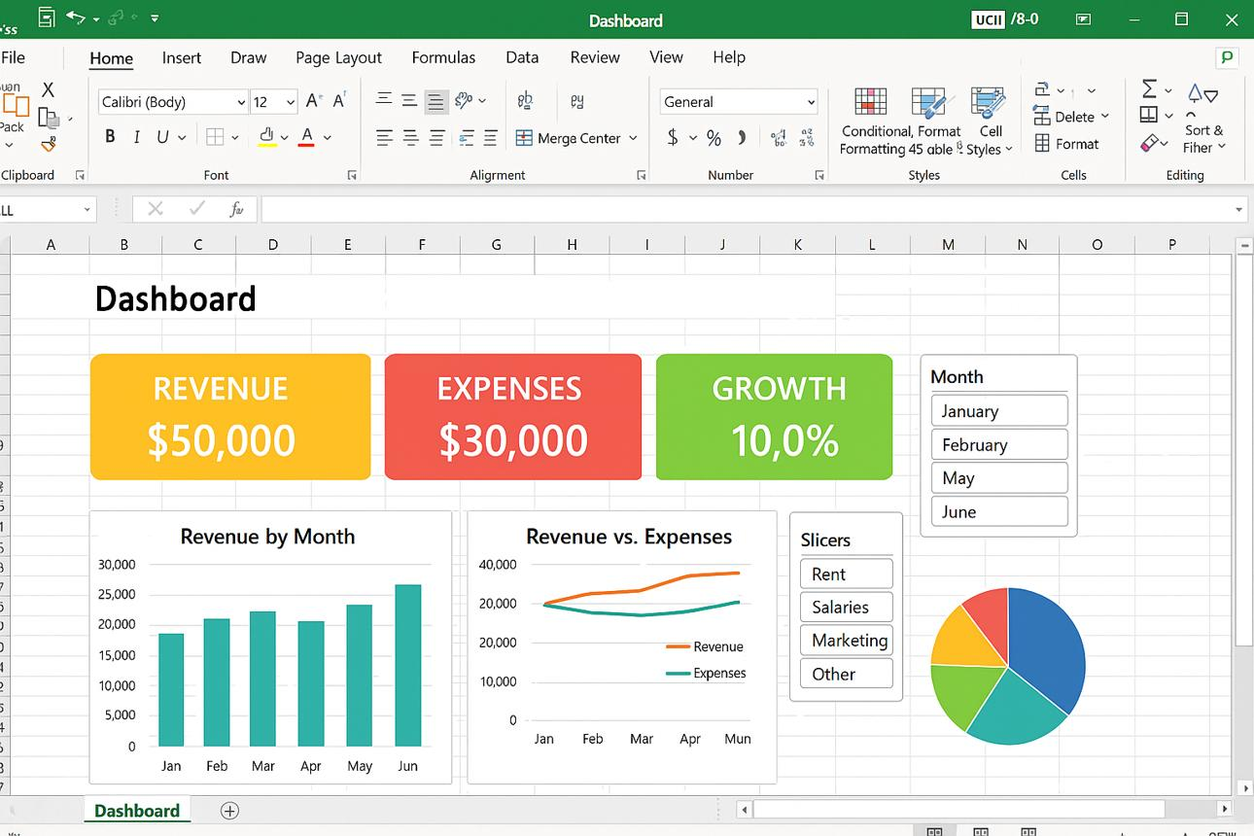

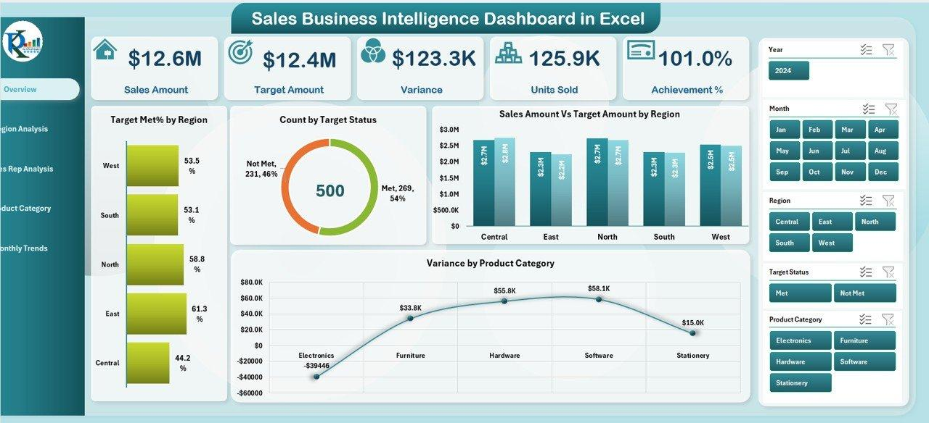

Popular Charts
Column Chart
Line Chart
Pie Chart
Scatter Plot
Histogram
Waterfall Chart
Funnel Chart

Example Monthly Sales Trend:
Months | Sales
Jan | 100000
Feb | 125000
Mar | 150000
Apr | 200000
May | 225000
Jun | 257500
Jul | 290000
Aug | 322500
Sep | 355000
Oct | 387500
Nov | 420000
Dec | 452500

Creating Interactive Dashboard
Step 1
Insert Pivot Table.
Step 2
Insert Pivot Chart.
Step 3
Add:
Insert → Slicer
Step 4
Add:
Insert → Timeline
Users can now interactively filter data.

Sheet7
Row Labels | Sum of Sales
Jan | 100000
Feb | 125000
Mar | 150000
Apr | 200000
May | 225000
Jun | 257500
Jul | 290000
Aug | 322500
Sep | 355000
Oct | 387500
Nov | 420000
Dec | 452500
Grand Total | 3285000

